Access Matrix
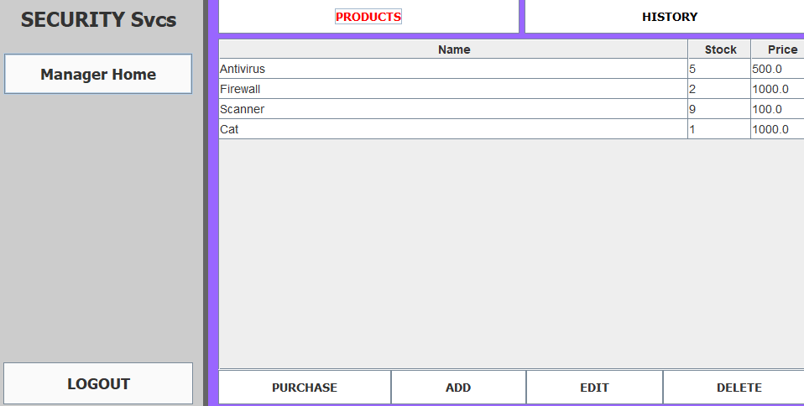
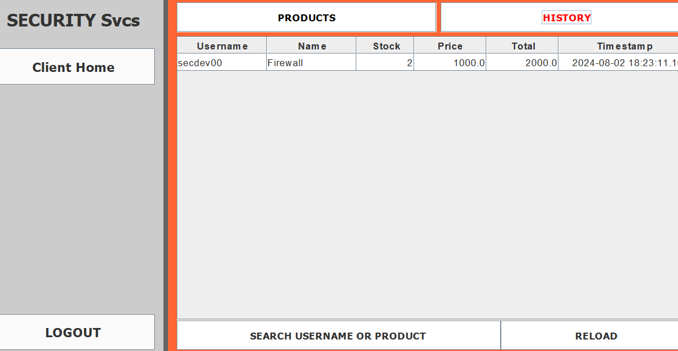
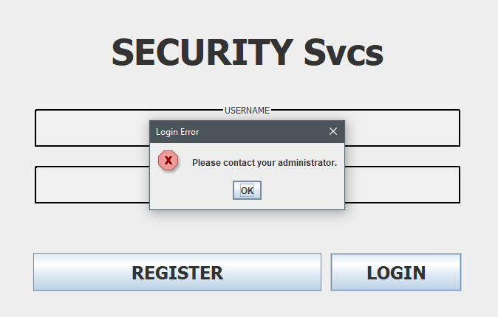
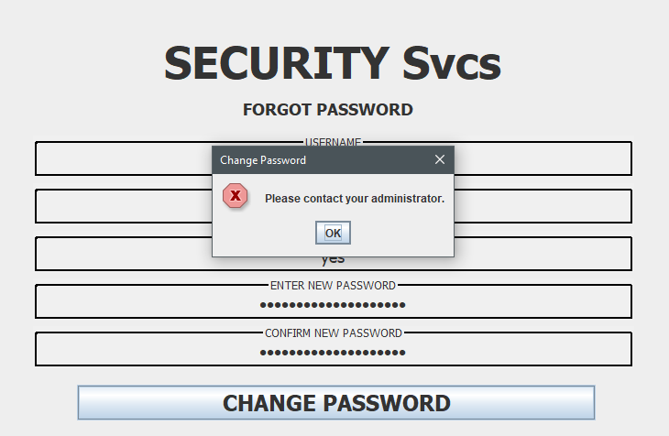
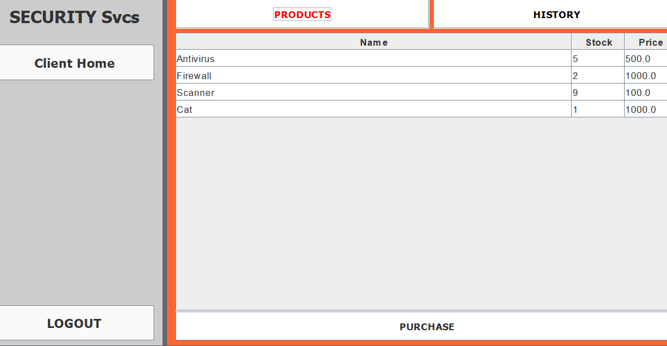
ACCESS MATRIX
User Type | Register | Login | Logout | Admin Home | Manager Home | Staff Home | Client Home | User | Products | History | Logs | Change Password | FUNC10 | FUNC11 | FUNC12 | FUNC13 | FUNC14 | FUNC15 | FUNC16 | FUNC17 | FUNC18 | FUNC19 | FUNC20 | FUNC21 | FUNC22 | FUNC23 | FUNC24 | FUNC25 | FUNC26 | FUNC27 | FUNC28 | FUNC29 | FUNC30 | FUNC31 | FUNC32 | FUNC33 | FUNC34 | FUNC35 | FUNC36 | FUNC37 | FUNC38 | FUNC39 | FUNC40 | FUNC41 | FUNC42 | FUNC43 | FUNC44 | FUNC45 | FUNC46 | FUNC47 | FUNC48 | FUNC49 | FUNC50 | FUNC51 | FUNC52 | FUNC53 | FUNC54 | FUNC55 | FUNC56 | FUNC57 | FUNC58 | FUNC59 | FUNC60 | FUNC61 | FUNC62 | FUNC63 | FUNC64 | FUNC65 | FUNC66 | FUNC67 | FUNC68 | FUNC69 | FUNC70 | FUNC71 | FUNC72 | FUNC73 | FUNC74 | FUNC75 | FUNC76 | FUNC77 | FUNC78 | FUNC79 | FUNC80 | FUNC81 | FUNC82 | FUNC83 | FUNC84 | FUNC85 | FUNC86 | FUNC87 | FUNC88 | FUNC89 | FUNC90 | FUNC91 | FUNC92 | FUNC93 | FUNC94 | FUNC95 | FUNC96 | FUNC97 | FUNC98 | FUNC99 | FUNC100
Unregistered | 1. Existing usernames cannot be used. 2. All registration attempts with both existing and new usernames will be logged. | 1. Generic Login Error. 2. The login attempt will be logged. | N/A | N/A | N/A | N/A | N/A | N/A | N/A | N/A | N/A | 1. Unregistered Accounts are not allowed to change password
Disabled | N/A | 1. Generic Login Error. 2. The login attempt will be logged. | N/A | N/A | N/A | N/A | N/A | N/A | N/A | N/A | N/A | 1. Locked Accounts are not allowed to change their password
Client | N/A | 1. The login attempt will be logged. 3. A successful login will be logged. 3. Session data will be encrypted. | 1. The logout attempt will be logged. 3. A successful logout will be logged. 3. Session data will be encrypted. 4. Session data is set to null | N/A | N/A | N/A |  | N/A | 1. Can only purchase products | 1. Only allowed to view their own purchase history | N/A | 1. Only registered users can change password using their MFA Answers 2. Can change password if the account is not locked
Staff | N/A | 1. The login attempt will be logged. 3. A successful login will be logged. 3. Session data will be encrypted. | 1. The logout attempt will be logged. 3. A successful logout will be logged. 3. Session data will be encrypted. 4. Session data is set to null | N/A | N/A |  | N/A | N/A | 1. Can Add/Delete/Edit Products | N/A | N/A | N/A
Manager | N/A | 1. The login attempt will be logged. 3. A successful login will be logged. 3. Session data will be encrypted. | 1. The logout attempt will be logged. 3. A successful logout will be logged. 3. Session data will be encrypted. 4. Session data is set to null | N/A |  | N/A | N/A | N/A | 1. Can Add/Delete/Edit Products |  | N/A | N/A
Admin | N/A | 1. The login attempt will be logged. 3. A successful login will be logged. 3. Session data will be encrypted. | 1. The logout attempt will be logged. 3. A successful logout will be logged. 3. Session data will be encrypted. 4. Session data is set to null |  | N/A | N/A | N/A |  | 1. Can Add/Delete/Edit Products |  |  | 1. Can change password of all users without MFAs

Input Fields | 1. JTextField - Username 2. JPasswordField - Password 3. JPasswordField - Confpass 4. JTextField - MFA 1 5. JTextField - MFA 2 | 1. JTextField - Username 2. JPasswordField - Password 3. JPasswordField - Confpass | 1. Bottom Left Logout Button | 1. User Button 2. History Buton 3. Products Button 4. Logs Button | 1. User Button 2. History Buton 3. Products Button | 1. User Button 2. History Buton 3. Products Button | 1. User Button 2. History Buton (Own History Only) | 1. User Button 2. History Buton (Own History Only) | 1. JButton - Purchase 2. JTextField - Quantity | 1. JButton - History | N/A | 1. JTextField - Username 2. JTextField - MFA 1 3. JTextField - MFA 2 4. JPasswordField - Password 5. JPasswordField - Confpass
Resources | 1. Database - User and Logs 2. java.security - Hashing 3. java.security - Encryption | 1. Database - User and Logs 2. java.security - Hashing 3. java.security - Encryption | 1. Database - User and Logs | 1. Database | 1. Database - User, History, Products, Logs | 1. Database - User, History, Products, Logs | 1. Database - User, History, Logs | 1. Database - User, History, Logs | 1. Database - Products | 1. Database - History | 1. Database - Logs | 1. Database - User and Logs 2. java.security - Hashing 3. java.security - Encryption
Threats | 1. SQL Injection 2. User Enumeration 3. DoS 4. Session Tampering | 1. SQL Injection 2. User Enumeration 3. DoS 4. Session Tampering | 1. Session Tampering | 1. Session Tampering | 1. Session Tampering | 1. Session Tampering | 1. Session Tampering | 1. SQL Injection 2. User Enumeration 3. DoS 4. Session Tampering | 1. SQL Injection 2. Session Tampering | 1. SQL Injection 2. Session Tampering | 1. SQL Injection 2. Session Tampering | 1. SQL Injection 2. User Enumeration 3. DoS 4. Session Tampering
Security Implementation | 1. Sanitation 2. Validation 3. Min Length 4. Max Length 5. Hashing 6. Encryption 7. Logging 8. Prepared Statements | 1. Sanitation 2. Validation 3. Min Length 4. Max Length 5. Hashing 6. Encryption 7. Logging 8. Prepared Statements | 1. Logging 2. Null Session Data 3. Prepared Statements | 1. Session data is set to null 2. Role-based Access Control. 3. Logging | 1. Session data is set to null 2. Disabled Buttons - Role-based Access Control. 3. Logging | 1. Session data is set to null 2. Disabled Buttons - Role-based Access Control. 3. Logging | 1. Session data is set to null 2. Disabled Buttons - Role-based Access Control. 3. Logging | 1. Sanitation 2. Validation 3. Min Length 4. Max Length 5. Hashing 6. Encryption 7. Logging 8. Disabled Buttons - Role-based Access Control. 9. Prepared Statements | 1. Logging 2. Sanitation 3. Disabled Buttons - Role-based Access Control. 4. Prepared Statements | 1. Logging 2. Disabled Buttons - Role-based Access Control. 3. Prepared Statements 4. Sanitation | 1. Logging 2. Disabled Buttons - Role-based Access Control. | 1. Sanitation 2. Validation 3. Min Length 4. Max Length 5. Hashing 6. Encryption 7. Logging 8. Prepared Statements

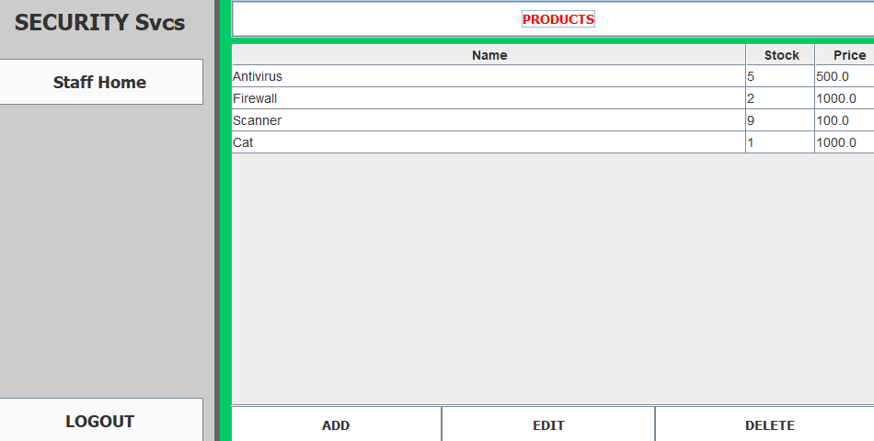
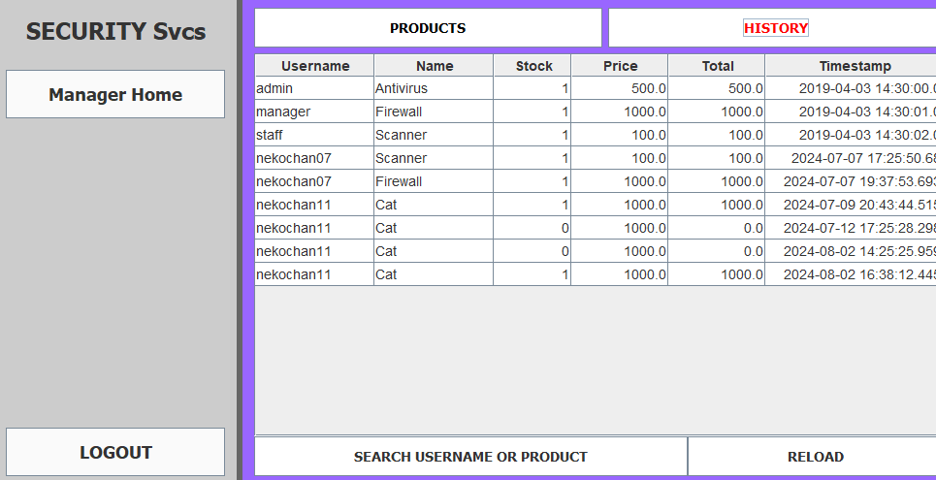
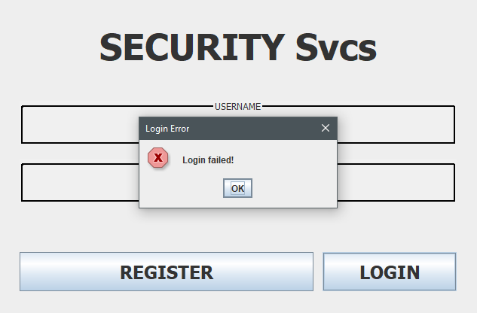
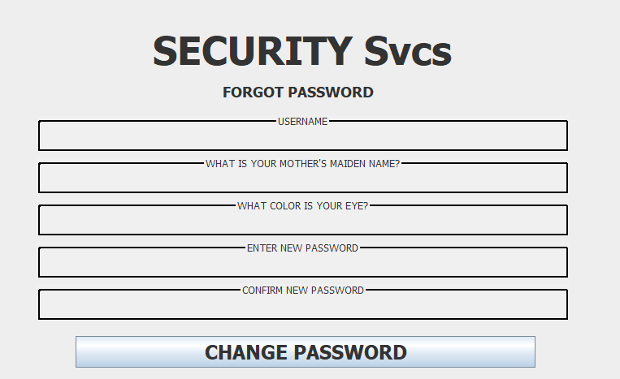
Remarks | 1. BCrypt - Hashing and Encryption 2. Uses preprepared statements for logging to prevent SQL injection | 1. BCrypt - Hashing and Encryption 2. Uses preprepared statements for logging to prevent SQL injection | 1. Uses preprepared statements for logging to prevent SQL injection |  |  |  |  | 1. Uses preprepared statements for logging to prevent SQL injection 2. Inputs are pre-sanitized and stripped of illegal characters to prevent exceptions and errors. | 1. Uses preprepared statements for logging to prevent SQL injection 2. Inputs are pre-sanitized and stripped of illegal characters to prevent exceptions and errors. | 1. Uses preprepared statements for logging to prevent SQL injection 2. Inputs are pre-sanitized and stripped of illegal characters to prevent exceptions and errors. |  | 1. Uses preprepared statements for logging to prevent SQL injection 2. Inputs are pre-sanitized and stripped of illegal characters to prevent exceptions and errors.
Screenshot | 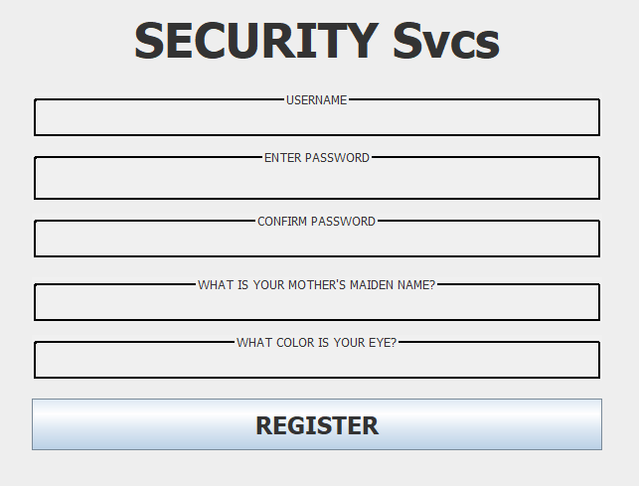 | 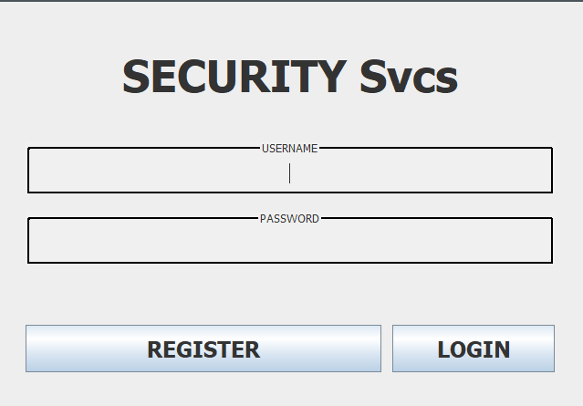 |  | 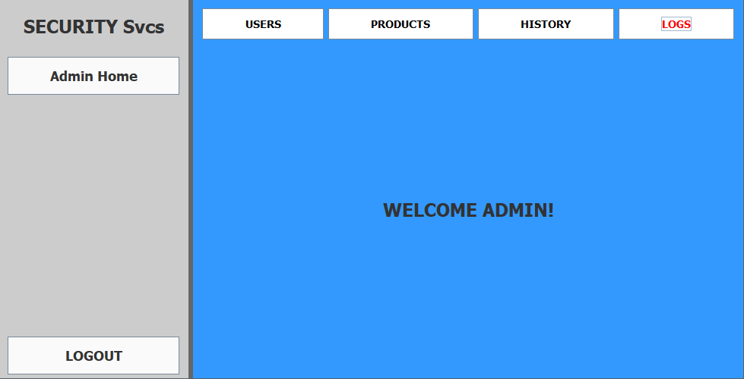 | 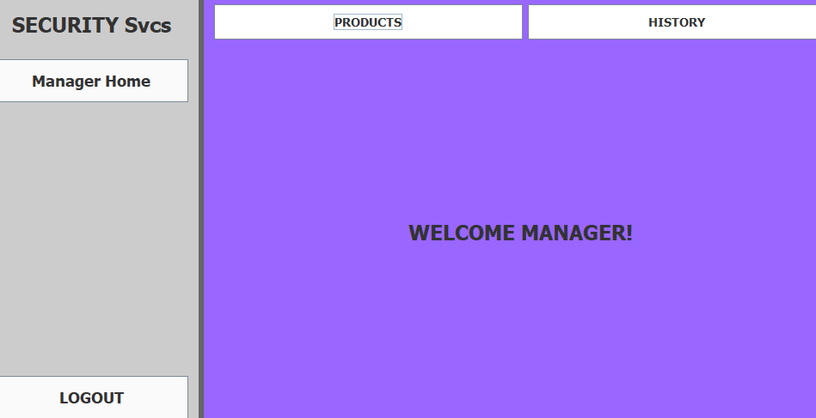 | 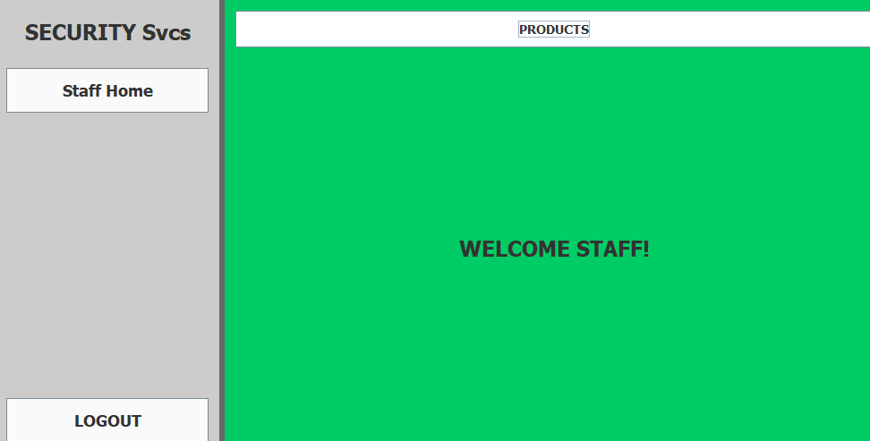 | 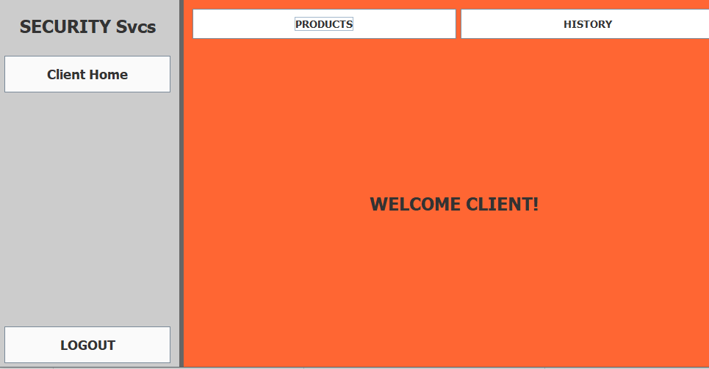 | 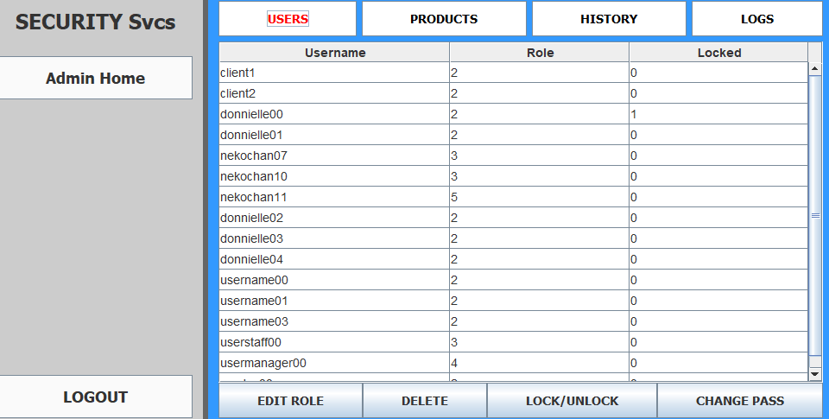 | 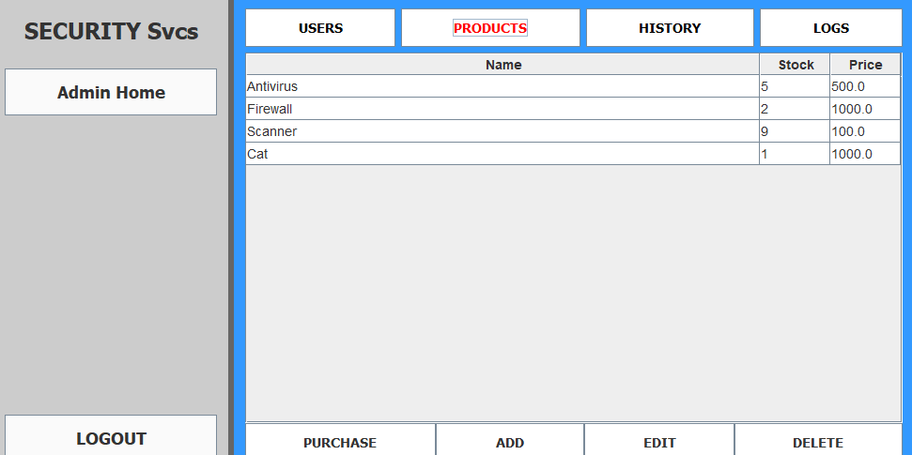 | 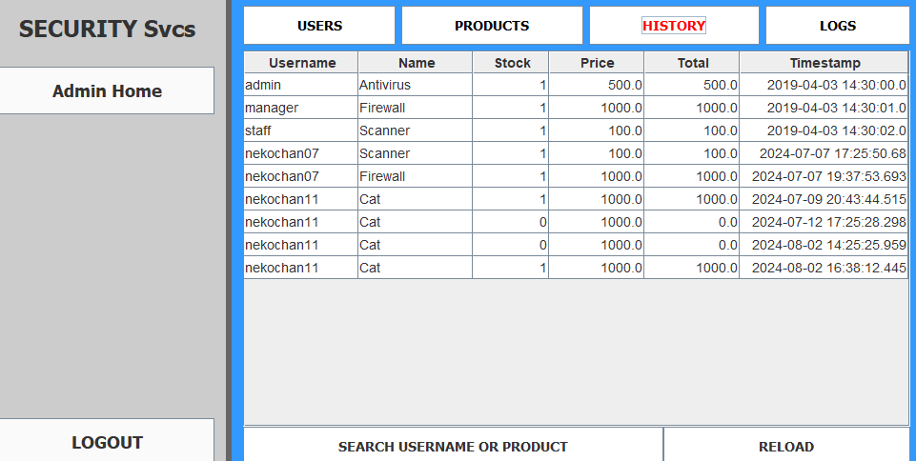 | 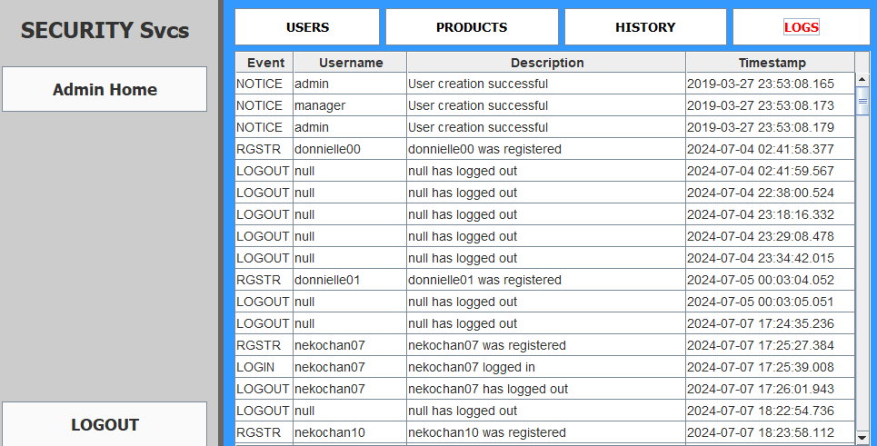 | 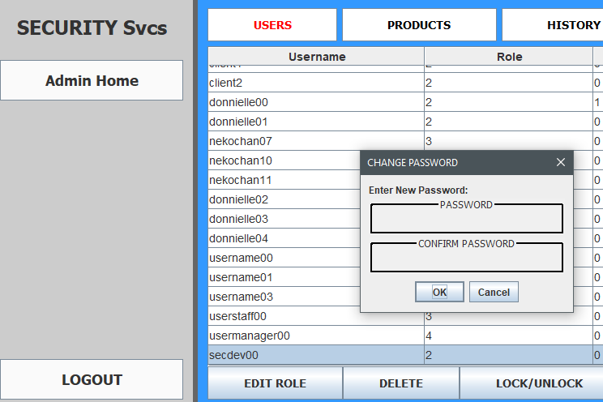
LEGEND
FULL Function
Partial Function
Unable

